Part 1 - Employer's Companion
Index
PART | No. | TOPIC | SUB TOPIC 1 | SUB TOPIC 2 | SUB TOPIC 3 | SUB TOPIC 4 | To view description on HAS-CON Website click on Text
ABOUT THE PRODUCT | 1 | Product Overview | Rationale & general layout of product data files |  |  |  | Product Overview
 | 2 | Product profile | P.C. Requirements & documentation version details
 | 3 | Disclaimer | License and usage agreement of product
INFORMATION | 1 | Legislation | Acts / Regulations / Government Gazettes
 | 2 | Guidelines | Construction / Shops and offices / Asbestos / Demolition Work / General Admin. / H&S Accord / Lead / Material Safety Data Sheet / Turnaround strategy..etc

PART 1 : SHE Employer's Companion | 1 | SHE Policy | Policy statements | Document No.: GL-HC-0001 (Version 10) | Guideline of how to compile a Company H&S policy |  | Policies
 | 2 | SHE Risk Assessment | Guideline | Document No.: GL-HC-0002 (Version 10) | Comprehensive guideline of how to conduct a risk assessment |  | Risk Assessment
 |  |  |  | Annexures : Forms & Templates | 1. Risk Assessment | Create a risk profile
For more detail from the HAS-CON Website, click on topics in this column
 |  |  |  |  | 2. Risk Rating | Determine residual risk rating & priority action
 |  |  |  |  | 3. Action Planning | Control measures & Specific Job Analysis
 |  |  |  |  | 4. Risk Management | Hazard identification & review
 |  |  |  |  | 6. Aspect & Impact | Environmental Aspects & Impact record
 |  |  |  |  | 7. Hazardous Substances | Record for listing H.C.S.
 |  |  |  |  | 8. Resource consumption | Recording of Resources for E.M.
 |  |  |  |  | 9. Waste & Effluent Management | Recording of Waste & Effluent for E.M.
 | 3 | SHE Structure | 3.1 Establishing SHE Structure | Guideline : GL-HC-0003 (Version 10) | Comprehensive guideline of how to establish a SHE Management structure |  | SHE Structure
 |  |  |  | Annexures : Diagrams | 1. Structure | SHE Management structure layout
 |  |  |  |  | 2. Duties | SHE Management legal duties framework
 |  |  |  |  | 3. Reporting matrix | Inspection report circulation flowchart
 |  |  | 3.2 Health & Safety Committee | Guideline : GL-HC-0004 (Version 10) | Comprehensive guideline for the Health & Safety Committee |  | Health & Safety Committee
 |  |  |  | Annexures : Forms & Templates | 1. SHE Structure templates & forms | 20 forms / templates for implementing and managing a SHE system
 |  |  |  |  | 2.1 Agenda | Template with headings & topics
 |  |  |  |  | 2.2 Minutes | Template with headings & topics
 |  |  |  |  | 2.3 Inspection | Template with headings & topics
 |  |  | 3.3 Emergency Planning Committee | Guideline : GL-HC-0005 (Version 10) | Comprehensive guideline for the Emergency Planning & Response Committee |  | Emergency Planning Committee
 |  |  |  | Annexures : Forms & Templates | 1. Appointments | Templates for Committee appointments
 |  |  |  |  | 2. Risk identification | List template with risk topics for planning
 |  |  |  |  | 3. Planning analysis | Template for identifying resources
 |  |  |  |  | 4. Agenda | Template with headings & topics
 |  |  |  |  | 5. Minutes | Template with headings & topics
 |  |  |  |  | 6. Symbolic Signs | Diagrams of symbolic safety signs
 |  |  | 3.4 Appointment Forms | Forms : (Version 10) | 101 Legal Appointment templates which include the legal references and integrated Audit report numbering |  | Appointment Forms
 | 4 | SHE Reviews | 4.1 Audit assistant manual | 1. Instructions | Instructions on the use of the Generic Audit manual |  | SHE Reviews
 |  |  |  | 2. Manual (Version 10) | Generic Audit manual comprises of 1910 questions covering the O.H.&.S.Act
 | 5 | SHE Reporting & Corrective Action | 5.1 Audit report | 1. Instructions | Instructions on the use of the Generic Audit report |  | Audit Report
 |  |  |  | 2.(a) Report (2108 questions) | Working document used for the audit of a workplace in accordance to the OH&S Act. Includes a statistical report.
 |  |  |  | 2.(b) Report (including legal references.) | Working document same as above but includes a colum with legal references.
 |  |  |  | SHE Findings & Recommendations | Working document to summarize the audit findings and make recommendations. Info can be copied to Final Consolidation report
 |  |  | 5.2 Inspection forms | Forms | Inspection template for a SHE inspection |  | Inspection Forms
 |  |  | 5.3 Inspection records | Records | 40 Inspection record templates |  | Inspection Records

Part 2 - Auditor's Companion
Index
PART | No. | TOPIC | SUB TOPIC 1 | SUB TOPIC 2 | SUB TOPIC 3 | To view description on HAS-CON Website click on Text

For more detail from the HAS-CON Website, click on topics in this column
PART 2 : Auditor Companion | 6 | Audit covering letters | 6.1 Use of templates | Description of how to use the audit covering letters / report |  | Audit Templates
 |  |  | 6.2 Audit process announcement | Document to Client confirming audit arrangement and process
 |  |  | 6.3 Audit confirmation | Document to Client confirming audit arrangement and process
 |  |  | 6.4 Pre-audit meeting | Document to Client confirming requirements for the pre-audit meeting
 |  |  | 6.5 Final audit report | 1. Covering letter | Covering letter to Client for the audit report
 |  |  |  | 2. Part 1 & 2 | Report template on overview of findings
 |  |  |  | 3. Part 3 | Detailed report template on findings and recommendations
 | 7 | Generic Audit | 7.1 Manual | 1. Manual - (Version 10) | Comprises of 1910 questions covering the O.H.&.S.Act | Generic Audit
 |  |  |  | Instructions | Instructions on the use of the Audit manual
 |  |  | 7.2 Report | 2.(a) Report (2108 questions) | Working document for auditing a workplace in accordance to the OH&S Act.
 |  |  |  | 2.(b) Report (including legal references.) | Working document same as above but includes a colum with legal references.
 |  |  |  | SHE Findings & Recommendations | Working document to summarize the audit findings and make recommendations.
 |  |  |  | Instructions | Instructions on the use of the Audit report
 | 8 | Specialized Audits | 8.1 Appointments & Assignments | 1. Manual - (Version 10) | Specialized detailed audit covering appointments and assignments in terms of the OH&S Act | Appointments & Assignments
 |  |  |  | 2. Report (1597 questions)
 |  |  | 8.2 General Safety | 1. Manual - (Version 10) | Specialized detailed audit covering the G.S.R. & ERW.R. & of the OH&S Act | General Safety
 |  |  |  | 2. Report (1298 questions)
 |  |  | 8.3 Environmental & Facilities | 1. Manual - (Version 10) | Specialized detailed audit covering the following Regulations: E.R.W., F.R. & N.I.H.L.R. | Environmental & Facilities
 |  |  |  | 2. Report (750 questions)
 |  |  | 8.4 Machinery | 1. Manual - (Version 10) | Specialized detailed audit covering the following Regulations: G.M.R., & D.M.R. | Machinery
 |  |  |  | 2. Report (1222 questions)
 |  |  | 8.5 Electrical | 1. Manual - (Version 10) | Specialized detailed audit covering the following Regulations: E.I.R., & E.M.R. | Electrical
 |  |  |  | 2. Report (570 questions)
 |  |  | 8.6 Lifts, Escalators & Passenger Conveyors | 1. Manual - (Version 10) | Specialized detailed audit covering the following Regulation: L.E.P.C.R. | Lifts, Escalators & Passenger Conveyers
 |  |  |  | 2. Report (163 questions)
 |  |  | 8.7 Hazardous Chemical Substances | 1. Manual - (Version 10) | Specialized detailed audit covering the following Regulation: H.C.S.R. | Hazardous Chemical Substances
 |  |  |  | 2. Report (392 questions)
 |  |  | 8.8 Lead | 1. Manual - (Version 10) | Specialized detailed audit covering the following Regulation: L.R. | Lead
 |  |  |  | 2. Report (422 questions)
 |  |  | 8.9 Asbestos | 1. Manual - (Version 10) | Specialized detailed audit covering the following Regulation: A.R. | Asbestos
 |  |  |  | 2. Report (683 questions)
 |  |  | 8.10 Construction | 1. Manual - (Version 10) | Specialized detailed audit covering the Construction Regulations (2004) | Construction
 |  |  |  | 2. Report (1783 quetions)
 |  |  | 8.11 Office | 1. Manual - (Version 10) | Customized Generic Audit Report for an Office Audit | Office
 |  |  |  | 2. Report ( to pre-select quest.)
 |  |  | 8.12 Pressure Equipment | 1. Manual - (Version 10) | Specialized detailed audit covering the Pressure Equipment Regulations | Pressure Equipment
 |  |  |  | 2. Report (391 questions)

Price List Part 1 & 2
Index
RETAIL PRICELIST FOR PART 1 & 2 OF SHE COMPANION (ELECTRONIC / M.S. OFFICE VERSION)

PART 1 & 2 : SHE Companion (complete)
SHE Companion (Complete) | Copies (each) |  |  |  | *See Notes below
 | 1 | 2 - 4 | 5 - 10 | 10 + | Update per level
Part 1 & Part 2 (Employer's and Auditor's Companion) | R 14,474.50 | R 13,027.05 | R 11,579.60 | R 10,132.15 | R 1,864.50
*Also see notes below

PART 1 : Employer's Companion (individual)
SHE Companion (Part 1 only) | Copies (each) |  |  |  | *See Notes below
 | 1 | 2 - 4 | 5 - 10 | 10 + | Update per level
Part 1 (Employer's Companion) | R 5,323.03 | R 4,790.73 | R 4,258.43 | R 3,726.12 | R 984.50
*Also see notes below

PART 2 : Auditor's Companion (individual)
SHE Companion (Part 2 only) | Copies (each) |  |  |  | *See Notes below
 | 1 | 2 - 4 | 5 - 10 | 10 + | Update per level
Part 2 (Auditor's Companion) | R 10,759.75 | R 9,683.77 | R 8,607.80 | R 7,531.82 | R 984.50
*Also see notes below
*NOTES: 1. See Price list for additional individual parts update prices 2. An additional R550 will be charged per CD or USB for packaging and courier fees 3. For Multi-user Licence prices, individual quotes will be provided 4. For customizing of footers and logos, individual quotes will be provided 5. Prices are inclusive of VAT 6. If a product is extremely outdated due to no updates that were done by user for the last 4 levels or more, the product may need to be replaced. An individual quote for this will be provided.

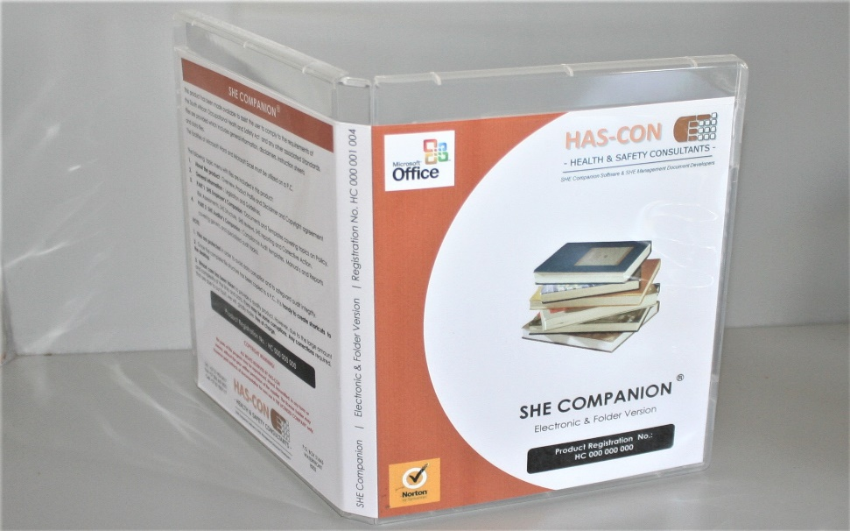 |  | 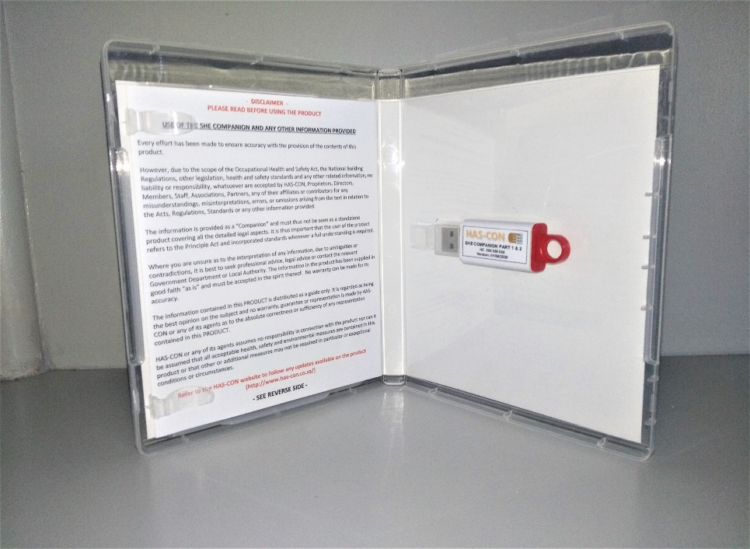
If the full product (Part 1 or 2) is not required, individual prices are available for parts of the product as indicated on the following spreadsheet

ON-SITE AUDIT TRAINING ON THE USE OF THE PRODUCT CAN BE ARRANGED. CONTACT HAS-CON FOR A SEPARATE QUOTE

Price List (individual parts)
Index
RETAIL PRICELIST FOR INDIVIDUAL PARTS OF SHE COMPANION (M.S. OFFICE VERSION)

PART 1 : Employer's Companion (individual parts)

Employer's Companion | Copies (each) |  |  |  |  | *See Note 6
PART 1 | 1 | 2 - 4 | 5 - 10 | 10 + |  | Update / CD
SHE Policy & Risk Assessment | R 700.70 | R 630.63 | R 560.56 | R 490.49 | R 0.00 | R 357.50
SHE Structure, H&S Committee, Emergency Planning Committee, Appointment & Inspection forms | R 2,681.25 | R 2,413.13 | R 2,145.00 | R 1,876.88 |  | R 357.50
SHE Reviews & Reporting | R 2,532.53 | R 2,279.28 | R 2,026.02 | R 1,772.77 |  | R 325.00
*Also see notes below

PART 2 : Auditor's Companion (individual parts)
Audit Companion | Copies (each) |  |  |  |  | *See Notes Below
PART 2 | 1 | 2 - 4 | 5 - 10 | 10 + |  | Update fee per level
Audit Covering letters | R 400.40 | R 360.36 | R 320.32 | R 280.28 |  | R 258.50
Generic Audit | R 2,132.13 | R 1,918.92 | R 1,705.70 | R 1,492.49 |  | R 324.50
Specialized Audits :
Appointments & Assignments | R 1,601.60 | R 1,441.44 | R 1,281.28 | R 1,121.12 | R 0.00 | R 357.50
General Safety | R 1,129.70 | R 1,016.73 | R 903.76 | R 790.79 | R 0.00 | R 357.50
Environmental & Facilities | R 1,158.30 | R 1,042.47 | R 926.64 | R 810.81 | R 0.00 | R 357.50
Machinery | R 1,339.91 | R 1,205.92 | R 1,071.93 | R 937.94 | R 0.00 | R 357.50
Electrical | R 910.91 | R 819.82 | R 728.73 | R 637.64 | R 0.00 | R 357.50
Lifts, Escal. & Passeng. Conv. | R 330.33 | R 297.30 | R 264.26 | R 231.23 | R 0.00 | R 357.50
Hazardous Chemical Substances | R 918.06 | R 826.25 | R 734.45 | R 642.64 | R 0.00 | R 357.50
Lead | R 679.25 | R 611.33 | R 543.40 | R 475.48 | R 0.00 | R 357.50
Asbestos | R 839.41 | R 755.47 | R 671.53 | R 587.59 | R 0.00 | R 357.50
Construction | R 2,150.72 | R 1,935.65 | R 1,720.58 | R 1,505.50 | R 0.00 | R 357.50
Office (Generic Audit & Select Questions) | R 2,132.13 | R 1,918.92 | R 1,705.70 | R 1,492.49 | R 0.00 | R 357.50
Pressure Equipment | R 767.91 | R 691.12 | R 614.33 | R 537.54 | R 0.00 | R 357.50
*Also see notes below

*NOTES: 1. If update files can be sent electronically via Dropbox, no additional delivery fee will be charged. However, if a new CD or USB is required, an additional R550 will be charged for packaging and courier fees. 2. For Multi-user Licence prices, individual quotes will be provided 3. For customizing of footers and logos, individual quotes will be provided 4. Prices are inclusive of VAT 5. If a product is extremely outdated due to no updates that were done by user for the last 4 levels or more, the product may need to be replaced. An individual quote for this will be provided.

ON-SITE AUDIT TRAINING ON THE USE OF THE PRODUCT CAN BE ARRANGED. CONTACT HAS-CON FOR A SEPARATE QUOTE

